EA 20
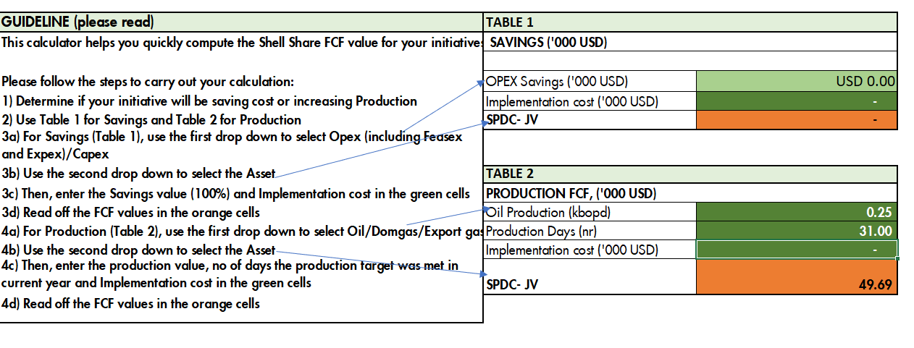
 | EA 20 |  | EA 20 |  | EA 20 |  | EA 20
01-Sep-2022 | 253.3 | 01-Oct-2022 | 253.3 | 01-Nov-2022 | 253.3 | 01-Dec-2022 | 253.3
02-Sep-2022 | 253.3 | 02-Oct-2022 | 253.3 | 02-Nov-2022 | 253.3 | 02-Dec-2022 | 253.3
03-Sep-2022 | 253.3 | 03-Oct-2022 | 253.3 | 03-Nov-2022 | 253.3 | 03-Dec-2022 | 253.3
04-Sep-2022 | 253.3 | 04-Oct-2022 | 253.3 | 04-Nov-2022 | 253.3 | 04-Dec-2022 | 253.3
05-Sep-2022 | 253.3 | 05-Oct-2022 | 253.3 | 05-Nov-2022 | 253.3 | 05-Dec-2022 | 253.3
06-Sep-2022 | 253.3 | 06-Oct-2022 | 253.3 | 06-Nov-2022 | 253.3 | 06-Dec-2022 | 253.3
07-Sep-2022 | 253.3 | 07-Oct-2022 | 253.3 | 07-Nov-2022 | 253.3 | 07-Dec-2022 | 253.3
08-Sep-2022 | 253.3 | 08-Oct-2022 | 253.3 | 08-Nov-2022 | 253.3 | 08-Dec-2022 | 253.3
09-Sep-2022 | 253.3 | 09-Oct-2022 | 253.3 | 09-Nov-2022 | 253.3 | 09-Dec-2022 | 253.3
10-Sep-2022 | 253.3 | 10-Oct-2022 | 253.3 | 10-Nov-2022 | 253.3 | 10-Dec-2022 | 253.3
11-Sep-2022 | 253.3 | 11-Oct-2022 | 253.3 | 11-Nov-2022 | 253.3 | 11-Dec-2022 | 253.3
12-Sep-2022 | 253.3 | 12-Oct-2022 | 253.3 | 12-Nov-2022 | 253.3 | 12-Dec-2022 | 253.3
13-Sep-2022 | 253.3 | 13-Oct-2022 | 253.3 | 13-Nov-2022 | 253.3 | 13-Dec-2022 | 253.3
14-Sep-2022 | 253.3 | 14-Oct-2022 | 253.3 | 14-Nov-2022 | 253.3 | 14-Dec-2022 | 253.3
15-Sep-2022 | 253.3 | 15-Oct-2022 | 253.3 | 15-Nov-2022 | 253.3 | 15-Dec-2022 | 253.3
16-Sep-2022 | 253.3 | 16-Oct-2022 | 253.3 | 16-Nov-2022 | 253.3 | 16-Dec-2022 | 253.3
17-Sep-2022 | 253.3 | 17-Oct-2022 | 253.3 | 17-Nov-2022 | 253.3 | 17-Dec-2022 | 253.3
18-Sep-2022 | 253.3 | 18-Oct-2022 | 253.3 | 18-Nov-2022 | 253.3 | 18-Dec-2022 | 253.3
19-Sep-2022 | 253.3 | 19-Oct-2022 | 253.3 | 19-Nov-2022 | 253.3 | 19-Dec-2022 | 253.3
20-Sep-2022 | 253.3 | 20-Oct-2022 | 253.3 | 20-Nov-2022 | 253.3 | 20-Dec-2022 | 253.3
21-Sep-2022 | 253.3 | 21-Oct-2022 | 253.3 | 21-Nov-2022 | 253.3 | 21-Dec-2022 | 253.3
22-Sep-2022 | 253.3 | 22-Oct-2022 | 253.3 | 22-Nov-2022 | 253.3 | 22-Dec-2022 | 253.3
23-Sep-2022 | 253.3 | 23-Oct-2022 | 253.3 | 23-Nov-2022 | 253.3 | 23-Dec-2022 | 253.3
24-Sep-2022 | 253.3 | 24-Oct-2022 | 253.3 | 24-Nov-2022 | 253.3 | 24-Dec-2022 | 253.3
25-Sep-2022 | 253.3 | 25-Oct-2022 | 253.3 | 25-Nov-2022 | 253.3 | 25-Dec-2022 | 253.3
26-Sep-2022 | 253.3 | 26-Oct-2022 | 253.3 | 26-Nov-2022 | 253.3 | 26-Dec-2022 | 253.3
27-Sep-2022 | 253.3 | 27-Oct-2022 | 253.3 | 27-Nov-2022 | 253.3 | 27-Dec-2022 | 253.3
28-Sep-2022 | 253.3 | 28-Oct-2022 | 253.3 | 28-Nov-2022 | 253.3 | 28-Dec-2022 | 253.3
29-Sep-2022 | 253.3 | 29-Oct-2022 | 253.3 | 29-Nov-2022 | 253.3 | 29-Dec-2022 | 253.3
30-Sep-2022 | 253.3 | 30-Oct-2022 | 253.3 | 30-Nov-2022 | 253.3 | 30-Dec-2022 | 253.3
 |  | 31-Oct-2022 | 253.3 |  |  | 31-Dec-2022 | 253.3
TOTAL | 7,599 | TOTAL | 7,852 | TOTAL | 7,599 |  | 7852.3
Avg daily prod | 253.3

SEP FCF
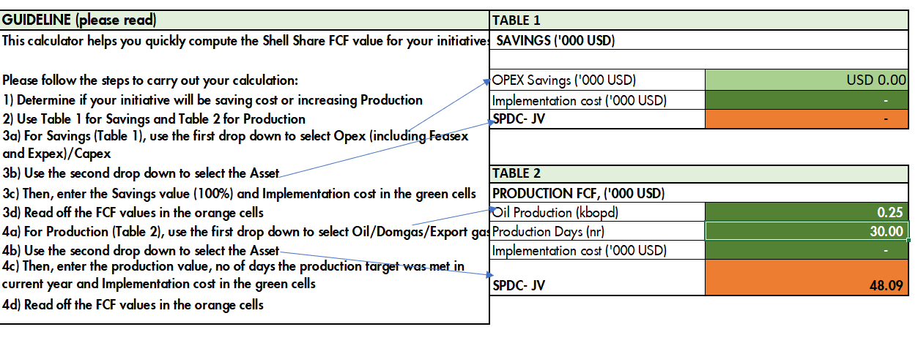

OCT FCF

NOV FCF

DEC FCF

